Scoresheet
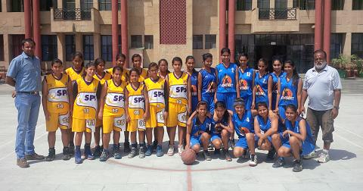
VICTORIAN'S SPORTS CARNIVAL 2014 Match No 7: 25-04-2014 Montfort School, Ashok Vihar Vs Sachdeva Public School, Pitampura

It was the finals and yet again the arch rivals, the two teams from the same Zone no 11. But this time It was Akanksha of Sachdeva Public School scoring 6 crucial points in the Final match who was supported by Sakshi , Divya and Rakshita scoring 09, 08 and 06 points respectively. Sushantika of Montfort School showed excellent fight in the Finals scoring 10 points but was not supported by the team except Megha who scored 07 points as well.Sachdeva Public School Won 33-31. |  |  |  |  |  |  |  |  | 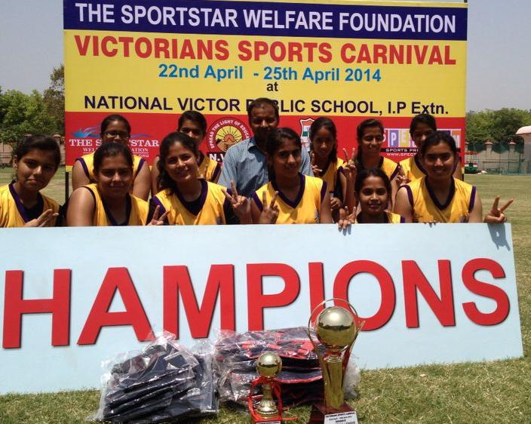
Teams of Sachdeva Public School, Pitampura and Montfort School, Ashok Vihar. Akanksha of Sachdeva Public School was declared as the Player of the Match
CH No. | MONTFORT SCHOOL, ASHOK VIHAR |  |  |  |  | VS | CH No. | SACHDEVA PUBLIC SCHOOL, PITAMPURA
 | Players Name | 1 | 2 | 3 | TOTAL |  |  | Players Name |  | 1 | 2 | 3 | TOTAL
4 | ANU SHARMA | 1 | 1 | 0 | 3 |  | 4 | SWEEH |  | 0 | 0 | 0 | 0
5 | SRISHTI THAKUR | 0 | 0 | 0 | 0 |  | 5 | DIVI |  | 0 | 0 | 0 | 0
6 | TANVI CHAUHAN | 0 | 1 | 0 | 2 |  | 6 | KRITIKA DHINGRA |  | 0 | 0 | 0 | 0
7 | RIYA RANA | 0 | 2 | 0 | 4 |  | 7 | HIMANSHI |  | 1 | 1 | 0 | 3
8 | MEGHA ARYA | 1 | 3 | 0 | 7 |  | 8 | SALONI |  | 0 | 0 | 0 | 0
9 | SUSHANTIKA | 0 | 5 | 0 | 10 |  | 9 | PARUL |  | 0 | 0 | 0 | 0
10 | MIMANSA | 0 | 0 | 0 | 0 |  | 10 | MRIDULA |  | 0 | 0 | 0 | 0
11 | SIMRAN KAUR | 0 | 1 | 0 | 2 |  | 11 | RAKSHITA |  | 1 | 3 | 0 | 7
12 | ARUSHI SINGH | 0 | 1 | 0 | 2 |  | 12 | KRITIKA DHAMIJA |  | 0 | 0 | 0 | 0
13 | RIDHIMA KHANNA | 1 | 0 | 0 | 1 |  | 13 | AKANKSHA |  | 4 | 1 | 0 | 6
14 | IMAKSHI PANDIT | 0 | 0 | 0 | 0 |  | 14 | DIVYA |  | 0 | 4 | 0 | 8
15 | VANI MITTAL | 0 | 0 | 0 | 0 |  | 15 | SAKSHI |  | 1 | 4 | 0 | 9
TOTAL SCORE |  |  |  |  | 31 |  | TOTAL SCORE |  |  |  |  |  | 33
FOR RESULTS PLEASE VISIT www.spectrumsports.in

